TECHNICAL SHEET
DATE | 2026-05-28
SEASON | AW2627 - BULK INSTRUCTIONS
CUSTOMER/LABEL | THE JACK LEATHERS
SUPPLIER | PAKKAR
STYLE | VIRGILIO MIX (ex dante winter)
DESCRIPTION | MAN BOMBER WITH ZIPPER CLOSURE with sleeves & back
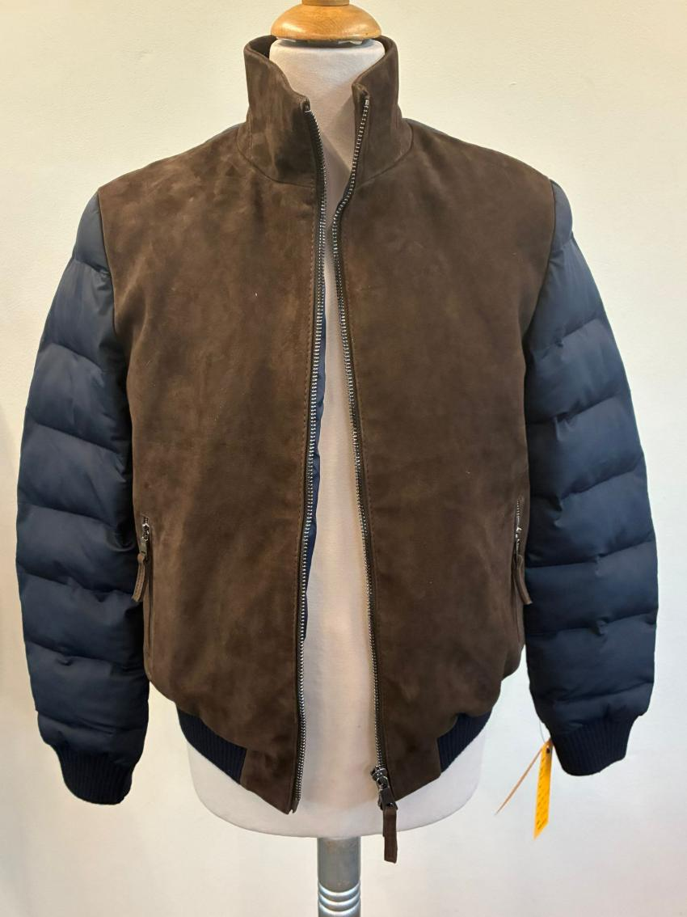 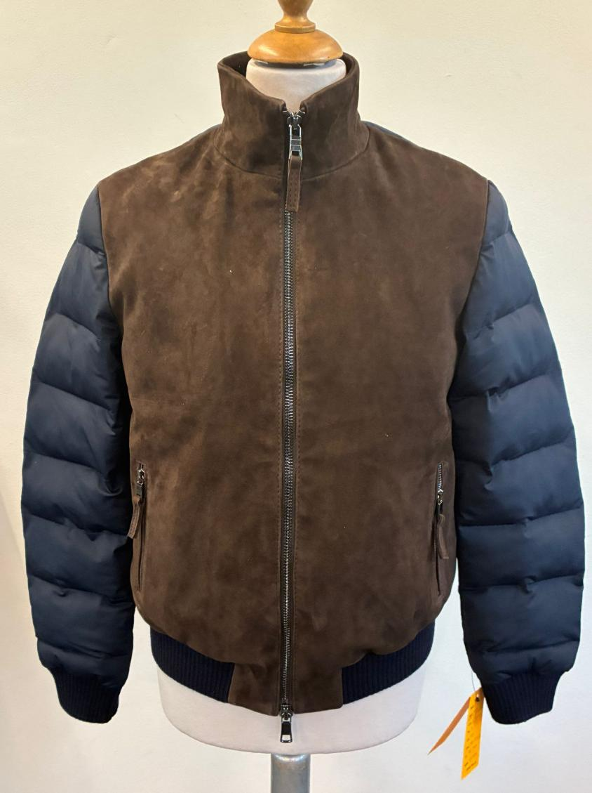 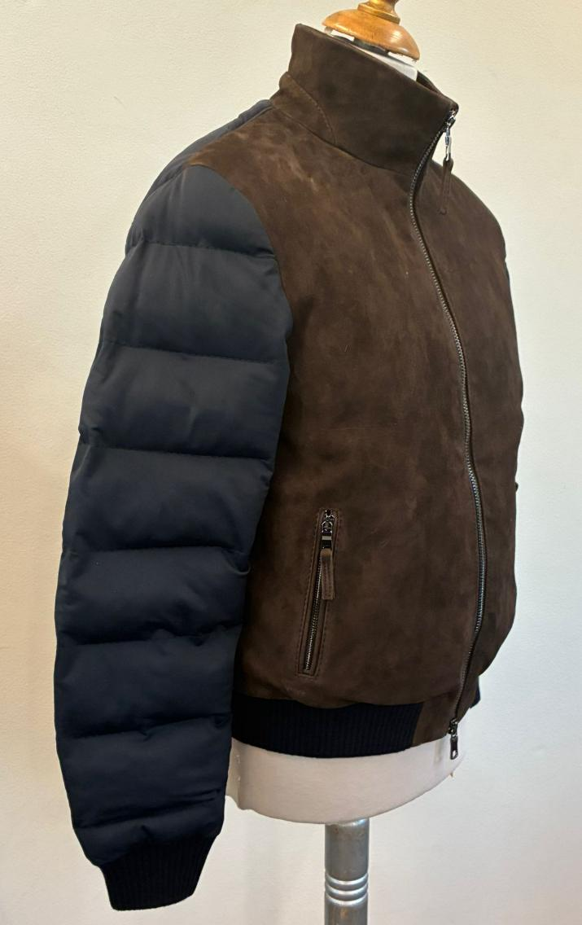 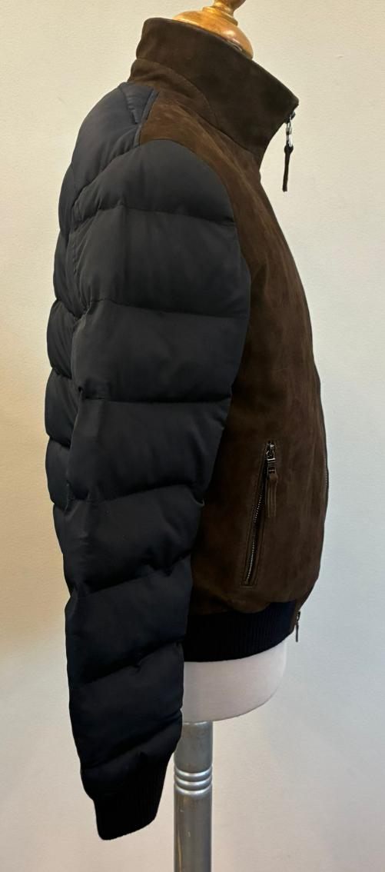 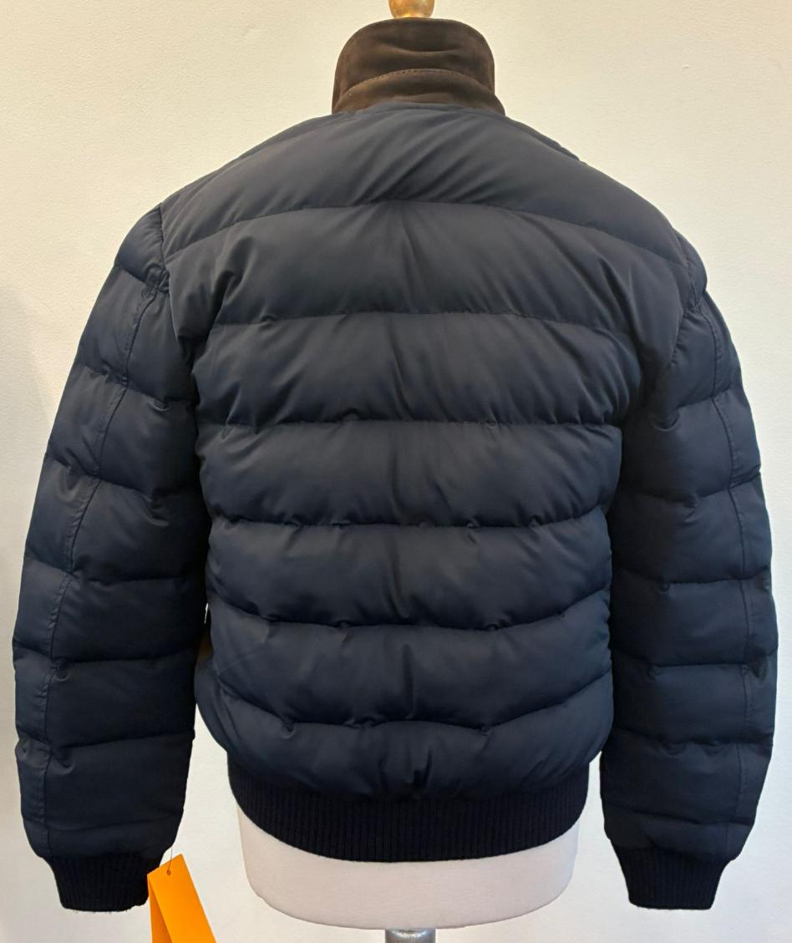

AVOID SUEDE BECOME WHITISH UNDER PRESSURE
AVOID LINES
AVOID OPEN DEFECTS, SCAR WITHOUT TOP HAIR
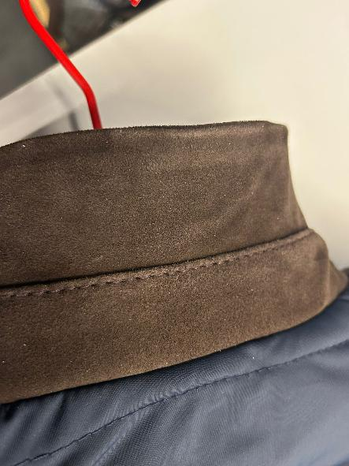 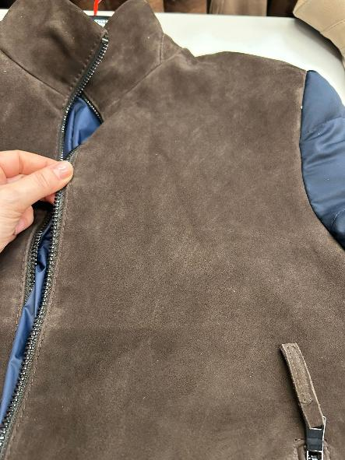 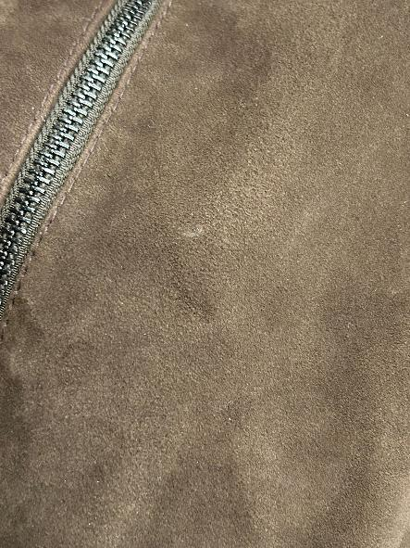 LEATHER QUALITY | WINTER GOAT SUEDE --> AVOID SUEDE DEFECTS AS SCAR, LINES, AND THAT THE SUEDE BECOME WHITISH AFTER PRESSURE , THE SUEDE MUST BE FULL OF COLOR, SEE SIDE PPS PICTURES >NOT WASHED SUEDE >SUEDE SHOULD BE BRILLANT, WRITING EFFECT AND SOFT, NOT BUSHY IT MUST HAVE SHORT NAP, NOT OILY, SUEDE MUST BE FULL OF COLOR >>FADED AND BUSHY SKINS ARE NOT ACCEPTABLE >>AVOID BUSHY PARTS, AVOID WHITISH SUEDE, AVOID VEINS, AVOID STAINS >NO MISMATCHING PANELS, NO OPEN DEFECTS, NO VEINS MARKS >NO BUSHY SUEDE, NO OIL STAINS, NO LEATHER MARKS >THE HAIR SUEDE WAY SHOULD BE IN SAME DIRECTION IN ALL PCS OF THE GARMENT >>WINTER SUEDE SUBSTANCE 0,7-0,8 mm, OK AS PER SMS _____________________ >>FRONT PANELS in SUEDE + >>SLEEVES + BACK made in STRETCH NYLON, PLEASE NOTE THAT THE FABRIC TYPE & COLOR. CHANGES DEPENDING ON THE SUEDE COLOR. PLEASE FOLLOW THE SIDE–COLOR CHART CAREFULLY MAKE QUILTING ON SLEEVES & BACK AT 8/8,5cm DISTANCE, OK AS PER SMS/PPS
 |  | 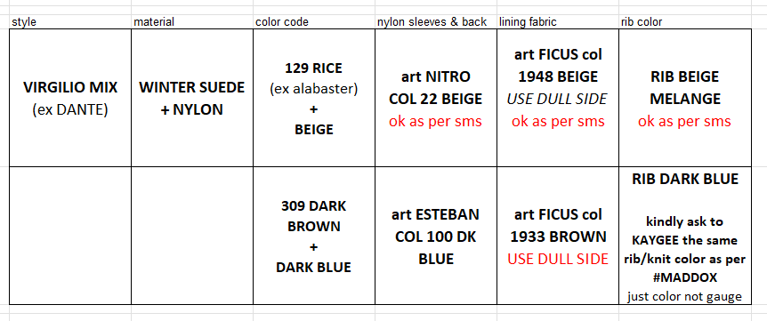
 | COLOR CODE 129 SUEDE col. RICE--> SMS SUEDE COLOR NOT OK--> FOR PPS & BULK,PLEASE FOLLOW THE NEW LEATHER SWATCH SENT YOU FOR REFERENCE COLOR TO COPY IN COLOR/TONE/SHADE + NYLON TEXTILE --> 22 BEIGE 22 col, art NITRO (stretch nylon) OK AS PER SMS ____________________ + COLOR CODE 309 SUEDE col. DARK BROWN 06 -> OK AS PER SMS style ADELE KNITseal n°409 SMS to be copy in color/shade/tone + NYLON TEXTILE --> DARK BLUE 100 col, art ESTEBAN (stretch nylon)
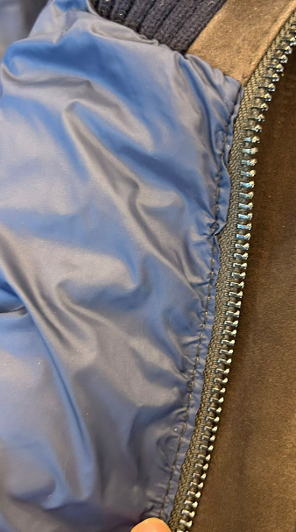
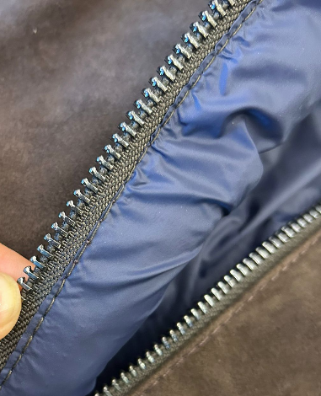
IN PPS, THIS STITCHING IS TOO WRINKLED AND UNPRECISE, MAKING THE GARMENT UNACCEPTABLE.ALSO, THE CURRENT GLUING OF THE TEXTILE EDGE CREATES A POOR VISUAL EFFECT. IMPROVE WORKMANSHIP IN BULK.
PATTERN | PPS PATTERN IS NOT VALID ANYMORE GRADED AMENDED PATTERN IS UNDER MAKING, READY SOON
 | LINING & TRIMS
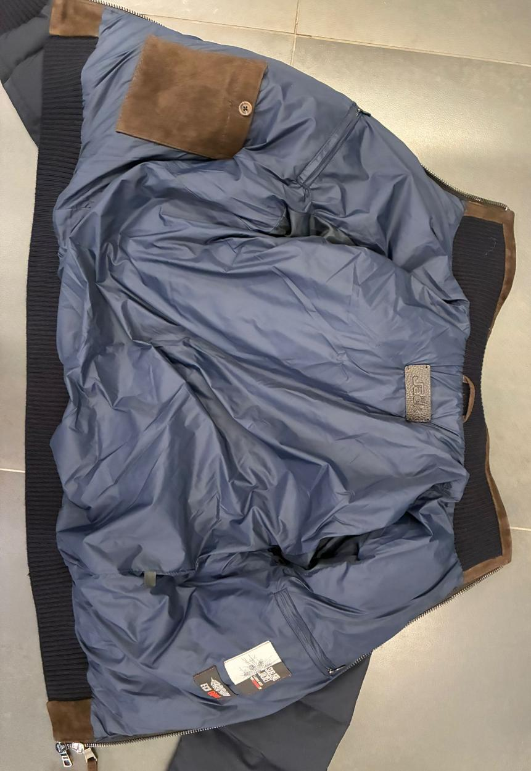 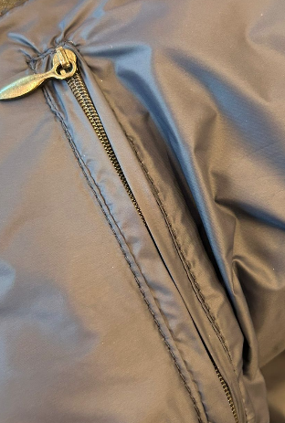 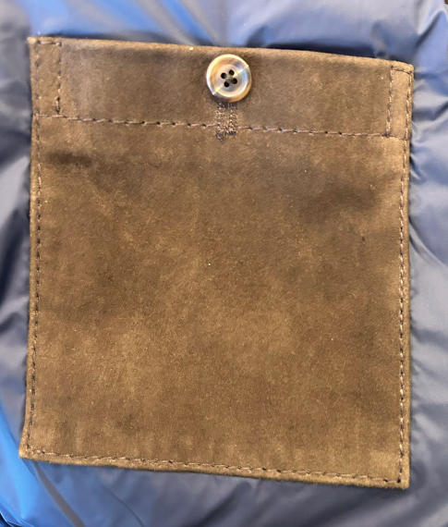 BODY LINING | LINING CONSTRUCTION WITHOUT LEATHER FACING, OK AS PER SMS/PPS PLEASE MAKE A VERTICAL STITCHING TO PREVENT THE BODY LINING FROM GETTING CAUGHT IN THE MAIN ZIPPER TEETH. THIS STITCH MUST BE VERY PRECISE AND CLEAN. IN PPS, THIS STITCHING IS TOO WRINKLED AND UNPRECISE, MAKING THE GARMENT UNACCEPTABLE.ALSO, THE CURRENT GLUING OF THE TEXTILE EDGE CREATES A POOR VISUAL EFFECT. IMPROVE WORKMANSHIP IN BULK. FOR BODY LINING PLEASE USE NYLON art FICUS, USE THIS FABRIC FROM DULL SIDE, TEXTILE PROVIDED BY US FOR COLOR 129, PLEASE USE art LEON col 1948 BEIGE, OK AS PER SMS FOR COLOR 309, PLEASE USE art LEON col 1933 BROWN, OK AS PER PPS >3 LINING POCKETS, WORKMANSHIP OK AS PER SMS/PPS >2 CHEST POCKETS, PLEASE MAKE DOUBLE WELTS IN BODY LINING FABRIC, PUT SOME INTERLINING IN WELTS TO NOT HAVE EMPTY WELTS >2 CHEST POCKETS, DOUBLE WELTS + ZIPPER CLOSURE (nylon zipper, matching nylon textile drop shape puller in gun metal finishing) DROP SHAPED PULLER IN GUN METAL FINSHING, IMPROVE IN BULK >1 SUEDE POCKET WITH BUTTON CLOSURE, BUTTON PROVIDED BY US art COROZO BUTTON col GREIGE, size28 ON RIGHT LINING SIDE , THE BUTTON USED ON PPS NOT OK, USE OUR BUTTONS IN BULK >PPS NOT OK, FOR BULK ADD EMBOSSED LABEL "THE JACK" ON THE POCKET AT 4cm FROM TOP EDGE NO QUILTING ON NYLON >LEATHER HANG LOOP--> 6,5cm WIDE
PPS NOT OK, FOR BUL ADD EMBOSSED LABEL "THE JACK" ON THE POCKET AT 4cm FROM TOP EDGE
SLEEVE LINING | >PLEASE USE POLY SATIN SLEEVES LINING PROVIDED BY YOU - MATCHING NYLON COLOR, OK AS PER PPS IN LIGHT COLORS, KINDLY USE A NON-TRANSPARENT LINING TEXTILE QUALITY TO AVOID SEE-THROUGH >>NO QUILTING ON LINING
BUTTONS | NO
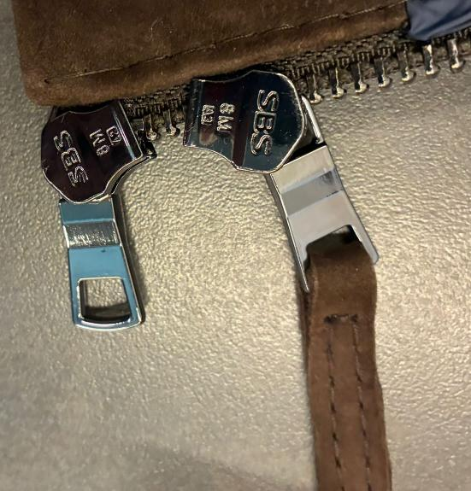 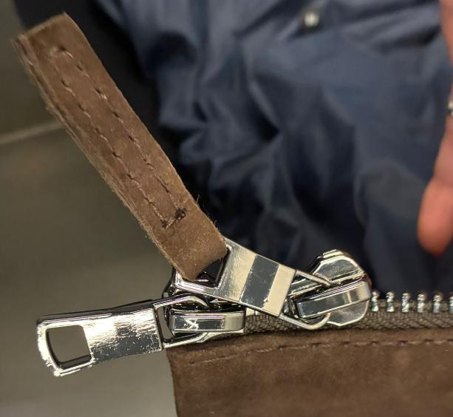 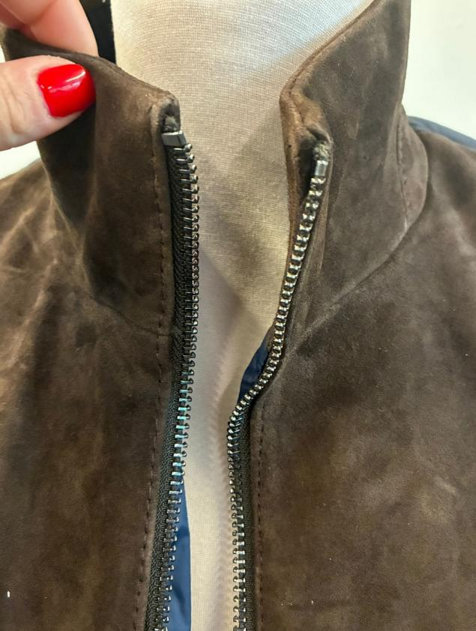 ZIPPERS | PLEASE USE "SBS" HIGH SHINY FINISHING ZIPPERS, GUN METAL FINSHING, OK AS PER SMS/PPS THE ZIPPER FINISHING SHOULD BE HIGH SHINY IN TEETH, SLIDERS and PULLERS TAKE CARE THAT ZIPPERS LOCK AND CLOSE EASILY WITHOUT PROBLEMS, CHECK THE BULK ZIPPERS >MAIN CLOSURE, zipper N8, DOUBLE SLIDERS • TAKE CARE TO STITCH THE ZIPPER EXACTLY IN THE CENTER, MAINTAINING THE SAME DISTANCE FROM BOTH EDGES, AVOID ANY IMPRECISION >POCKETS zipper N5, SINGLE SLIDERS >MAN METAL PULLERS SHAPE, OK AS PER SMS/PPS >>VISIBLE ZIPPER TEETH WORKMANSHIP FOR MAIN CLOSURE, OK AS PER SMS/PPS >>LEATHER WELTS FOR POCKETS THAT LEAVE ZIPPER TEETH VISIBLE, OK AS PER SMS > SUEDE PULLERS, DOUBLE THICK LEATHER - 0,9CM WIDE AND 4CM LONG, folded and stitched all around with thick thread FOR ALL ZIPPER PULLER, KINDLY MAKE THEM VERY PRECISE IN CUT & STITCH
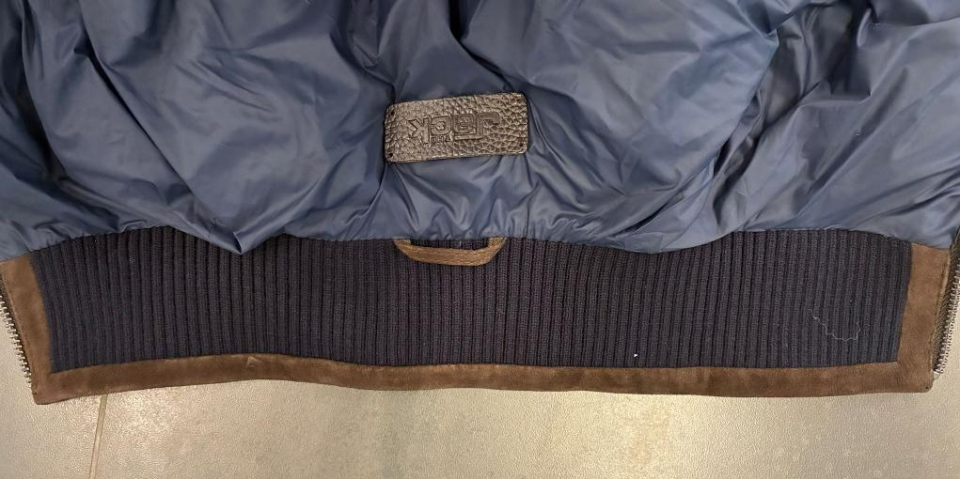
 |  | 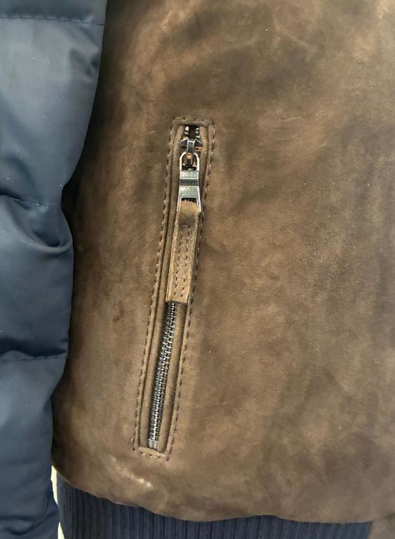 |  | 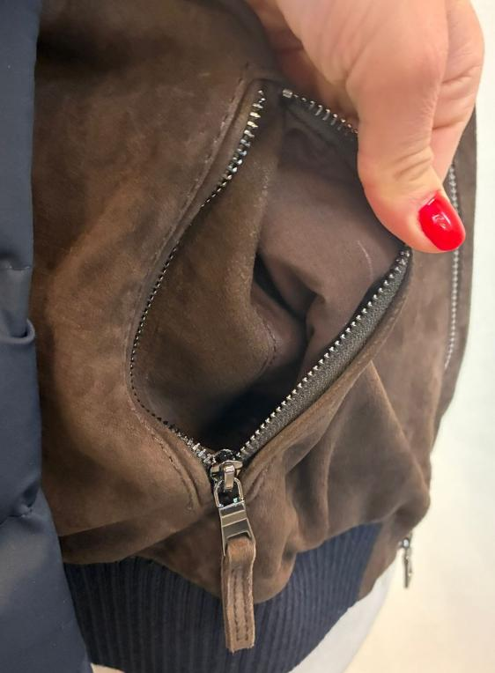
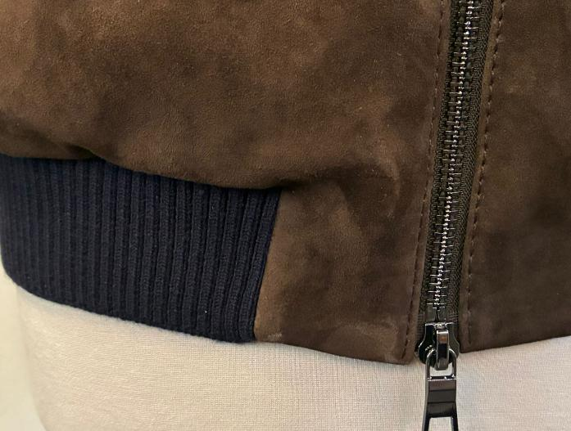 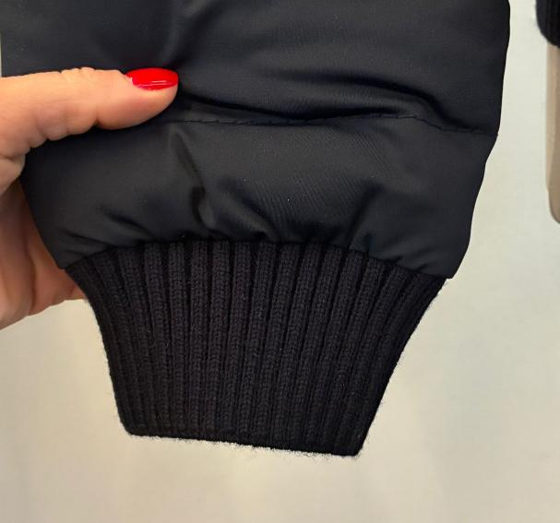 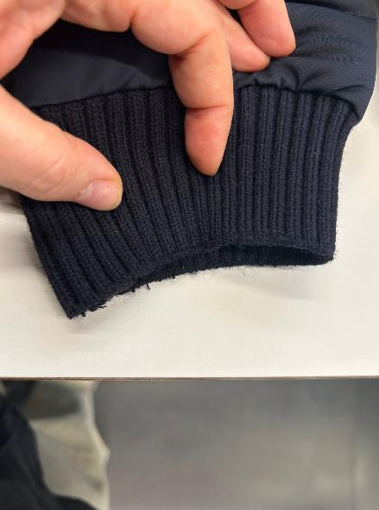 RIBS | PLEASE USE WINTER 2X2 RIB, QUALITY OK AS PER SMS TAKE CARE ON CUFF EDGE ARE THERE PILLING FOR COLOR 129, PLEASE USE RIB COLOR BEIGE MELANGE, OK AS PER SMS FOR COLOR 309, PLEASE USE RIB DARK BLUE (kindly ask to KAYGEE the same rib/knit color as per #MADDOX, just color not gauge), OK AS PER PPS >RIB SINGLE FOR CUFFS AND BOTTOM >RIB SINGLE FOR INSIDE COLLAR 1X1 WEAVING >TO CLEAN THE INSIDE KNIT RIB JOINTS PLEASE USE SUEDE LEATHER RECTANGLES with CLEAN CUT EDGES, INSIDE CUFFS AND BOTTOM INSIDE SIDE-SEAMS (between the front and back) >CUT AND STITCH THESE LEATHER RECTANGLES MORE PRECISE as POSSIBLE >MAKE THESE LEATHER RECTANGLES SMALLER AS POSSIBLE INSIDE NECKLINE COLLAR RIB HAS A LEATHER STRIP TO HIDE THE ALLOWANCE OF INSIDE COLLAR RIB, OK AS PER SMS/PPS
AT THE FIRST QUILTING WHICH CREATES AN EXCESSIVE BUMP — THIS AREA MUST BE SMOOTH AND NOT CREATE ANY BULGING EFFECT
PADDING | >KINDLY USE ECO DOWN PADDING TO GET A PUFFY QUILTING ON SLEEVES & BACK >BODY GRAMMAGE OK AS PER PPS >SLEEVES PADDING NOT OK, IT MUST BE SLIGHTLY REDUCED IN BULK; PPS IS TOO FILLED > AT THE FIRST TOP SLEEVE-QUILTING THE FILLING IS TOO MUCH, WHICH CREATES AN EXCESSIVE BUMP — THIS AREA MUST BE SMOOTH AND NOT CREATE ANY BULGING EFFECT, TAKE CARE TO AVOID EFFECT AS SIDE PPS PICTURE >FRONT PANELS WILL BE FILLED BUT NO QUILTING VISIBLE OUTSIDE OK AS PER SMS/PPS >>VISIBLE HORIZONTAL QUILTING AT 8/8,5cm FOR OUTER SLEEVS and OUTER BACK OK AS PER SMS/PPS >>TAKE CARE THAT THE FILLING IS WELL DISTRIBUTED INSIDE THE DOWN BAGS; PPS IS NOT OK AS THE PADDING (BALLS/FLAKES) CREATES LUMPS, WHICH ARE NOT GOOD IN TERMS OF APPEARANCE AND FIT AVOID PEN/PENCIL MARKS USED AS A GUIDE FOR THE QUILTING DISTANCE. THIS MUST ABSOLUTELY NOT BE VISIBLE. UNACCEPTABLE |  | 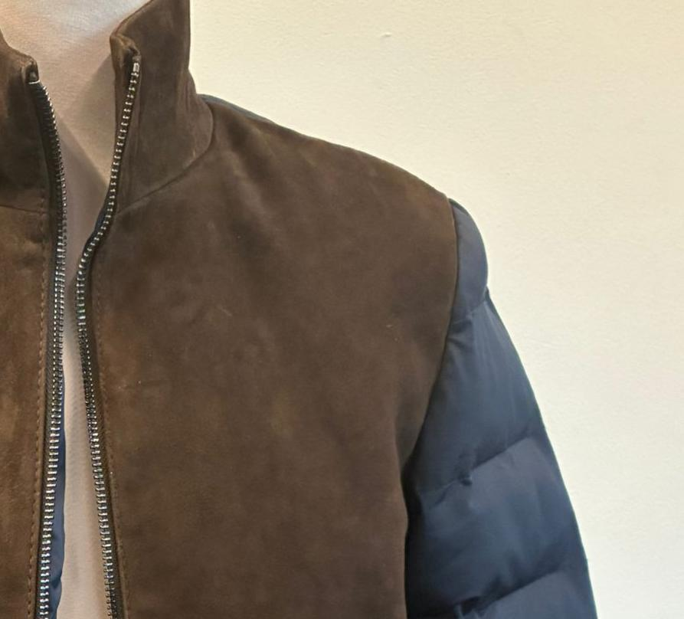
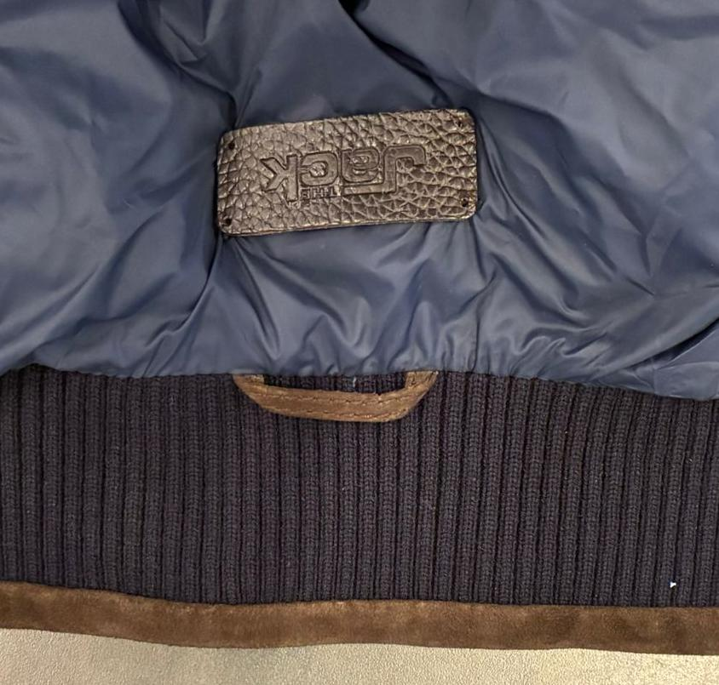 LABELLING | MAIN LABEL, OK AS PER SMS/PPS >>PLEASE LIAISE WITH MR AEJAZ FOR THIS LABEL >PLEASE USE THE EMBOSSED LABEL "JACK" IN PRINTED LEATHER TO BE STITCH UNDER COLLAR,col DARK BROWN WITH 4 HOLES, WE FOUND A PROBLEM ON PPS: THE LABEL HAS BEEN STITCHED NOT ONLY TO THE LINING BUT ALSO PINCHING THE DOWN BAGS. THIS IS CAUSING PULLING ON THE OUTER JACKET, WITH PLEATS, TENSION AND VISIBLE FITTING DEFECTS KINDLY ENSURE THAT THE LABEL IS FIXED ONLY TO THE BODY LINING, WITHOUT CATCHING THE DOWN BAGS WE FACED THIS PROBLEM ON SMS AND PPS BOTH, IMPROVE IN BULK >FIXED TO THE LINING UNDER BACK NECKLINE AT 4/5cm, PLACEMENT OK AS PER SMS/PPS >STITCH IT ON 4 ANGLES BY HAND STITCH, FIXED TO THE LINING UNDER BACK NECKLINE AT 4–5 CM. STITCH IT AT 4 CORNERS BY HAND. >HAND STITCHING MUST BE CLEAN AND EVEN. KNOTS MUST BE VERY SMALL, WITH NO LOOSE OR DIRTY THREADS.
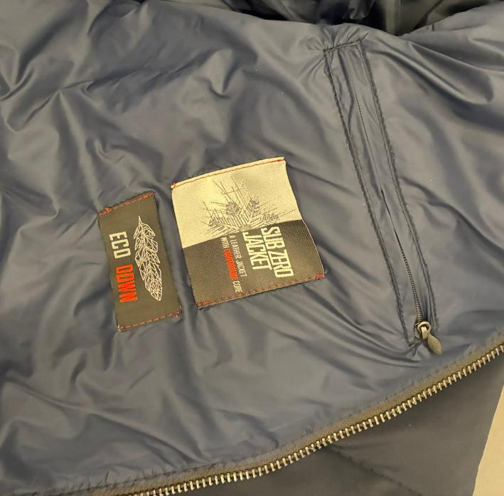
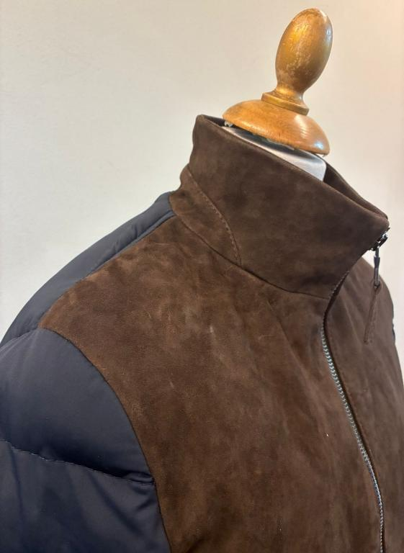
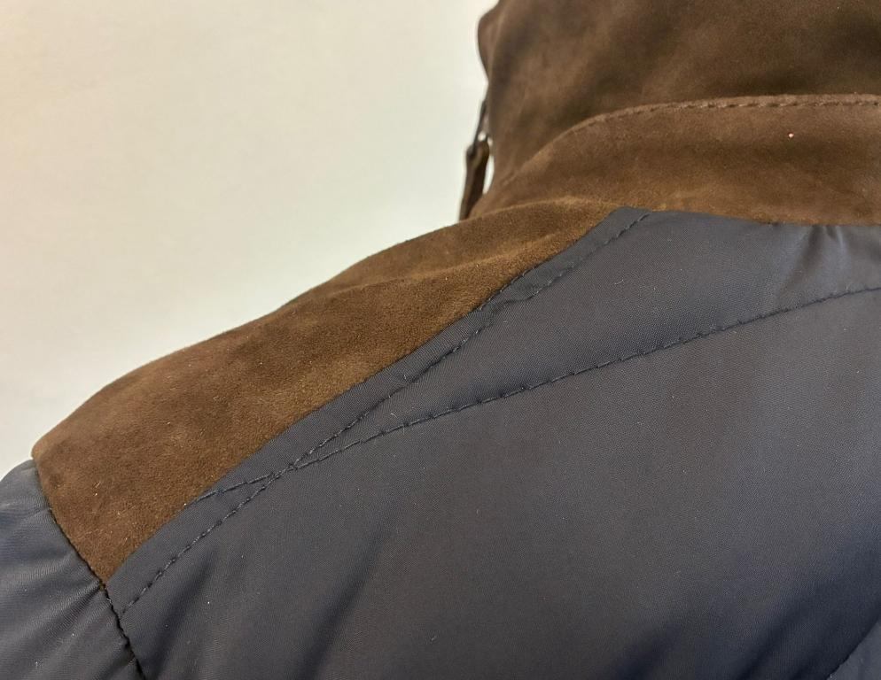
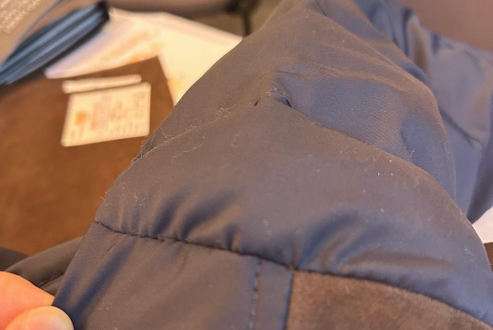
>AVOID WRINKLED EFFECT & PLEATS ON NYLON ATTACHING ESPECIALLY ON ARMHOLE, THERE MUST BE NOT PLEATS
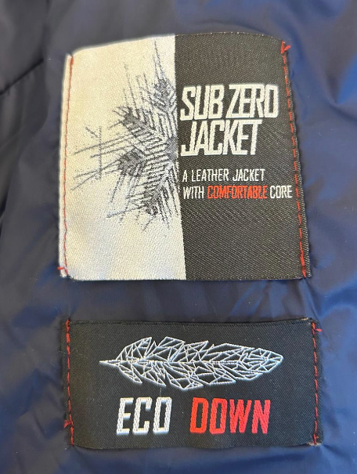 HANG TAG+ SUB ZERO/ECO DOWN LABELS | >PLEASE STITCH "SUB ZERO" + "ECO DOWN" WOVEN LABELS UNDER CHEST LEFT LINING POCKET >PLEASE NOTE TO STICH THESE LABELS ONLY AT SIDES AND WITH RED THREAD, RED THREAD MATCHING RED LETTERING OF LABELS OK AS PER PPS, IN BULK, STITCH THE LABELS CAREFULLY AT START AND END, AVOID FLYING THREADS >SUB ZERO+ECO DOWN LABELS PROVIDED BY US ----------------------------- EMBROIDERED HANGTAG *PLEASE MAKE THE LOGO "THE Jack Leathers" EMBROIDERED ON A LEATHER RECTANGLE *FOLDED EDGES FOR SUEDE WITH 3mm STITCHING FROM EDGES, BACK LABEL LAYER IN LINING FABRIC *"THE" AND "LEATHERS" EMBROIDERED WITH THREAD COL. ANTHRACITE, EMB COL FIXED FOR ALL SUEDE COLORS *"JACK" EMBROIDERED WITH THREAD DARK BLUE, EMB COL FIXED FOR ALL SUEDE COLORS *LEATHER HANG TAG with gun metal eyelet Ms Luana Sent you the info of labelling

>AVOID WRINKLED EFFECT & PLEATS ON NYLON ATTACHING ESPECIALLY ON ARMHOLE, THERE MUST BE NOT PLEATS, PPS NOT OK SEE SIDE PICTURE
>QUILTING NOT OK IN PPS — STITCH LENGTH TOO LONG. KEEP SAME QUILTING AS PER SMS. AVOID LOOSE EFFECT AND ANY POPPING.
PRINTED LABELS | PRINTED LABELS, provided by you 1st PLACE *SIZE LABEL 2nd PLACE *FACEBOOK INSTAGRAM 3rd PLACE *DISTRIBUITO DA 4th PLACE *WASH CARE LABEL 5th PLACE *MADE IN INDIA *THESE PRINTED LABELS PROVIDED BY YOU SHOULD BE WITH BLACK GROUND AND WHITE LETTERING/PRINT STITCHED ON THE WEARER'S LEFT LINING SIDE
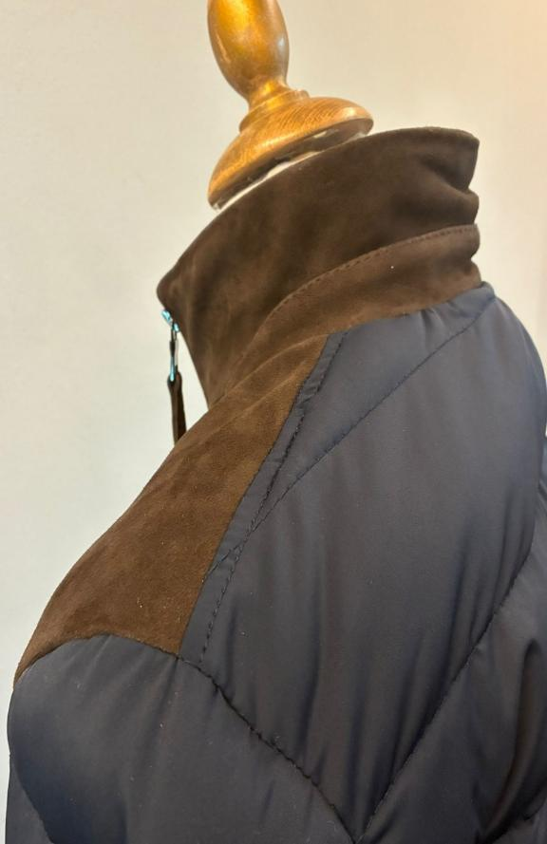 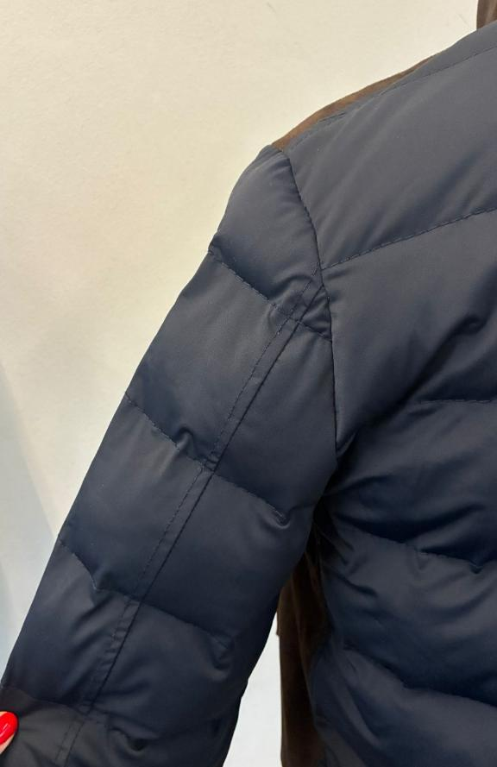 STITCHING | >PLEASE USE BIG THREAD AS BIGGER AS POSSIBLE, (3 PLY, TICKET 10 OR 15.) LONG STITCH >>KINDLY USE THREAD COLOR MATCHING BASE MATERIAL, KINDLY SELECT MORE MATCHING BASE COLOR THREAD COLOR ->MATCHING SUEDE color ON SUEDE ->MATCHING NYLON TEXTILE color ON SLEEVES & BACK >SUEDE PANELS --> NO TOP STITCHING, OK AS PER SMS/PPS >NYLON TEXTILE PANELS--> MAKE SINGLE STITCHING AT 0,6cm , OK AS PER SMS/PPS >QUILTING NOT OK IN PPS — STITCH LENGTH TOO LONG. KEEP SAME QUILTING AS PER SMS. AVOID LOOSE EFFECT AND ANY POPPING. >AVOID WRINKLED EFFECT & PLEATS ON NYLON ATTACHING ESPECIALLY ON ARMHOLE, THERE MUST BE NOT PLEATS, PPS NOT OK SEE SIDE PICTURE
 |  | 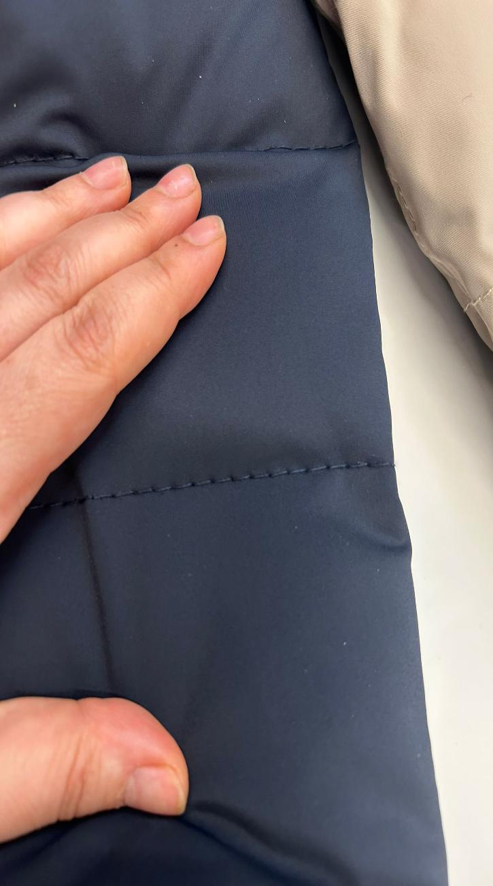 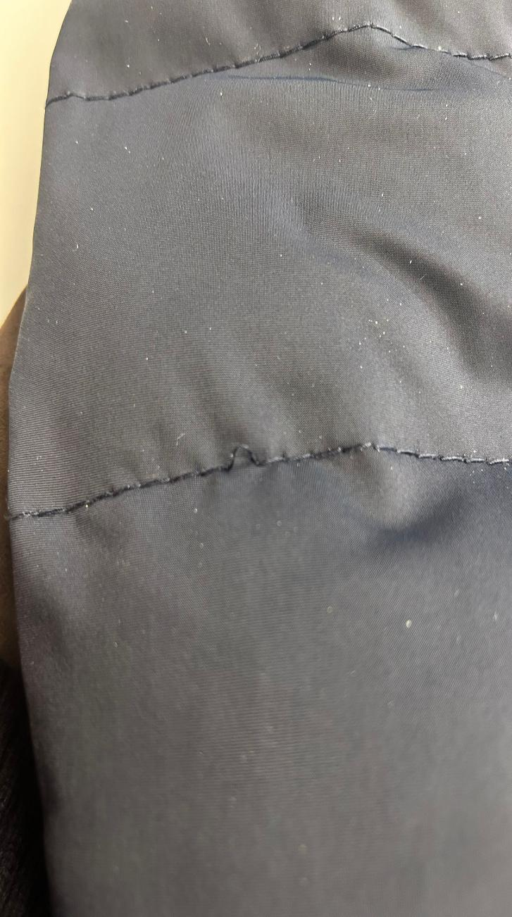
RESPECT THE SYMMETRY OF THE JACKET
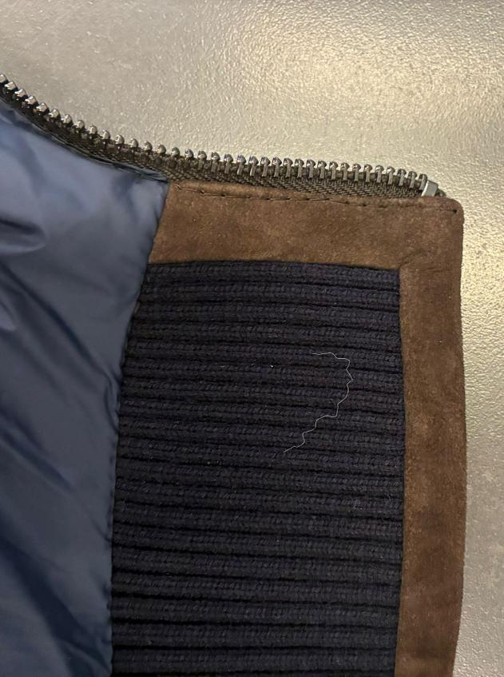 OTHER NOTES | COLLAR WORKMANSHIP >OUTSIDE SUEDE >INNER COLLAR RIB + LEATHER STRIP ALL AROUND NO VISIBLE STITCHING, EDGES WITH NO STITCHING WELL HAMMERED & GLUED TO STAY FLAT, NO OPEN EFFECT--> OK AS PER SMS/PPS INSIDE COLLAR WITH INTERLING IN ORDER TO NOT HAVE EMPTY LOOK--> OK AS PER PPS TAKE CARE OF INSIDE COLLAR STITCHING, THIS PART SHOULD BE VERY NICE BECAUSE SO VISIBLE _______________ RESPECT THE SYMMETRY OF THE JACKET, ENSURING THAT LEFT AND RIGHT BOTTOM EDGES AND TOP COLLAR ARE AT THE SAME LEVEL AND PERFECTLY ALIGNED
PLS HAND STITICHE THE MAIN LABEL ONLY TO THE LINING.
 |  | 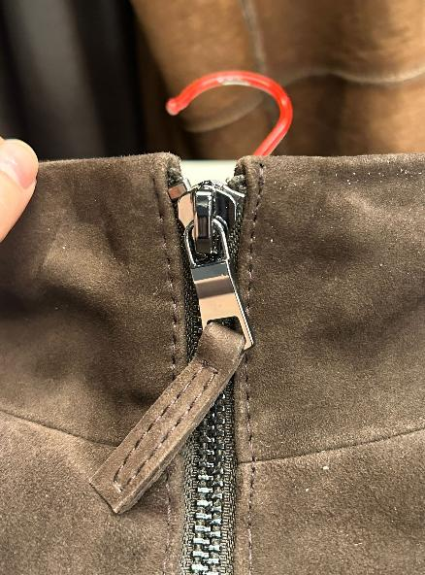
TAKE CARE OF DELIVERY PACKING AVOID IMPRESSION OF CARTON TAGS or seals, KINDLY WRAP THEM WITH SOFT PAPER AVOID MAIN ZIPPER OR PKTS ZIPPER ON THE JKT PANELS |  | 